Cell Info
Customer: | GM
End User: | GM
Plant (Abbreviate): | ORN
Job #: | 9628-003
Station #: | ZJ040
Function: | NFP 3 FRONT PIERCE
Model: | T1XXF1_2 | Delete unused info from "PRNT" tabs

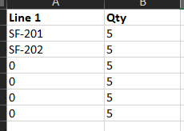
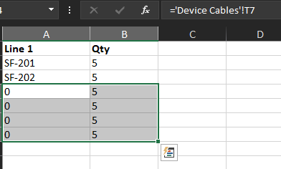
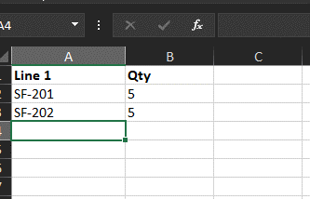
Output (do not modify): | GM ORN - ZJ040 - NFP 3 FRONT PIERCE - T1XXF1_2

Notes:
- Be sure that all info on "PRNT" tabs are justified LEFT and CENTER. This simplifies label printing for the MFG team.
- If cell info on "PRNT" tabs is not being used, delete it. This includes label QTY as well as "0" (zeros). Again, this helps MFG.
- Only modify cells shaded in Yellow. All other cells have formulas driven by yellow shaded cells.
-This label file also functions as an example. When ready to use, please use the macro buttons to clear out yellow cells.

You MUST save as a .xlsx file type. The label printer does not recognize a macro-enabled Excel file

ENC Labels
 |  |  |  |  |  | D12 | D14 | D16 | D18 | D20 | D22 | D24 | D26 | D28 | D30 | D32 | D34 | D36 | D38 | D40 | D41 | D42 | D43 | PORT LAYOUT
 |  |  |  |  |  | E12 | E14 | E16 | E18 | E20 | E22 | E24 | E26 | E28 | E30 | E32 | E34 | E36 | E38 | E40 | E41 | E42 | E43 | SIDE OF ENCLOSURE
 |  |  |  |  |  | F12 | F14 | F16 | F18 | F20 | F22 | F24 | F26 | F28 | F30 | F32 | F34 | F36 | F38 | F40 | F41 | F42 | F43
 |  |  |  |  |  | D13 | D15 | D17 | D19 | D21 | D23 | D25 | D27 | D29 | D31 | D33 | D35 | D37 | D39 | D41 | D42 | D43 | D44
 |  |  |  |  |  | E13 | E15 | E17 | E19 | E21 | E23 | E25 | E27 | E29 | E31 | E33 | E35 | E37 | E39 | E41 | E42 | E43 | E44
 |  |  |  |  |  | F13 | F15 | F17 | F19 | F21 | F23 | F25 | F27 | F29 | F31 | F33 | F35 | F37 | F39 | F41 | F42 | F43 | F44
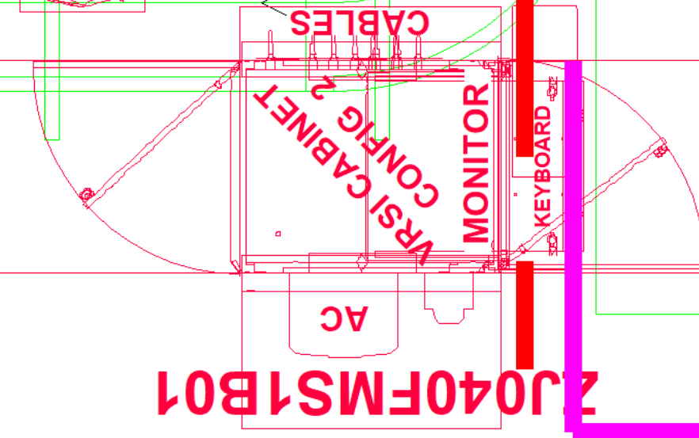
Job Number | 9628-003 |  |  |  |  | Job Number: |  | 9628-003
Job Desc: | GM ORN - ZJ040 - NFP 3 FRONT PIERCE - T1XXF1_2 |  |  |  |  | Job Description: |  | GM ORN - ZJ040 - NFP 3 FRONT PIERCE - T1XXF1_2

Cabinet Labels |  |  |  |  |  | PORT LAYOUT - RIGHT HAND SIDE OF ENCLOSURE
Job # | System | Device | Line 1 | Line 2 | Line 3
9628-003 | GM ORN - ZJ040 - NFP 3 FRONT PIERCE - T1XXF1_2 | CB05-1 | ZJ040_R05 | CB05-1 | POWER | ZJ040_R05 | ZJ040_R06 | RH MET STAND | LH INOS STAND | RH INOS STAND | SPARE #1 | SPARE #2 | SPARE #3 | SPARE #4
 |  |  | ZJ040_R05 | CB05-1 | ETHERNET | CB05-1 | CB06-1 | CB-2 | CB-3 | CB-4
 |  | CB06-1 | ZJ040_R06 | CB06-1 | POWER | POWER | POWER | POWER | POWER | POWER | POWER | POWER | POWER | POWER
 |  |  | ZJ040_R06 | CB06-1 | ETHERNET
 |  | CB-2 | RH MET STAND | CB-2 | POWER
 |  |  | RH MET STAND | CB-2 | ETHERNET
 |  | CB-3 | LH INOS STAND | CB-3 | POWER | ZJ040_R05 | ZJ040_R06 | RH MET STAND | LH INOS STAND | RH INOS STAND | SPARE #1 | SPARE #2 | SPARE #3 | SPARE #4
 |  |  | LH INOS STAND | CB-3 | ETHERNET | CB05-1 | CB06-1 | CB-2 | CB-3 | CB-4
 |  | CB-4 | RH INOS STAND | CB-4 | POWER | ETHERNET | ETHERNET | ETHERNET | ETHERNET | ETHERNET | ETHERNET | ETHERNET | ETHERNET | ETHERNET
 |  |  | RH INOS STAND | CB-4 | ETHERNET
 |  |  | SPARE #1 |  | POWER
 |  |  | SPARE #1 |  | ETHERNET
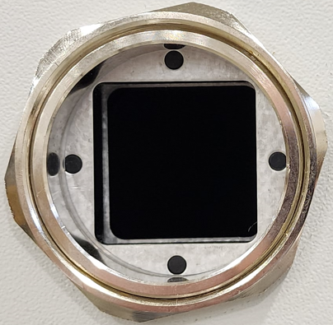
 |  |  | SPARE #2 |  | POWER | R05 REF STAND | R06 REF STAND | RM SPARE #1 | RM SPARE #2
 |  |  | SPARE #2 |  | ETHERNET | RM-1 | RM-2 |  |  |  | PORTS ON:
 |  |  | SPARE #3 |  | POWER | POWER | POWER | POWER | POWER |  | RIGHT HAND
 |  |  | SPARE #3 |  | ETHERNET |  |  |  |  |  | SIDE OF ENCLOSURE
 |  |  | SPARE #4 |  | POWER
 |  |  | SPARE #4 |  | ETHERNET
 |  | RM-1 | R05 REF STAND | RM-1 | POWER | EN1 - INOS | EN2 - INOS | EN3 - INOS | EN4 - METRONOR
 |  |  |  |  |  | ETHERNET SM | ETHERNET IP | INOS DATA | ETHERNET SM
 |  | RM-2 | R06 REF STAND | RM-2 | POWER | TO CELL SWITCH | TO CELL SWITCH | PLANT NETWORK | TO CELL SWITCH

 |  |  | RM SPARE #1 |  | POWER

 |  |  | RM SPARE #2 |  | POWER

 |  | ENET TO CELL SWITCH | EN1 - INOS | ETHERNET SM | TO CELL SWITCH
 |  | EIP TO CELL SWITCH | EN2 - INOS | ETHERNET IP | TO CELL SWITCH
 |  | EIP TO CELL SWITCH | EN3 - INOS | INOS DATA | PLANT NETWORK
 |  | Metronor | EN4 - METRONOR | ETHERNET SM | TO CELL SWITCH

